OMB Compliance Supplement
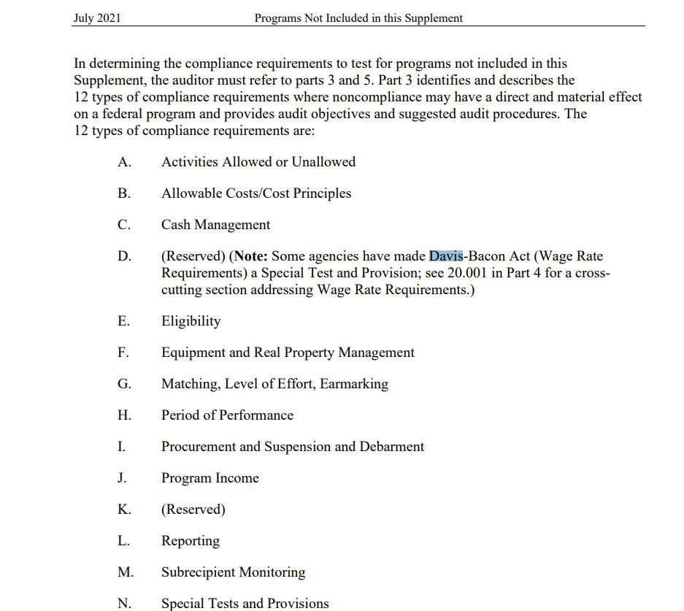
12 Types of Compliance Requirements:
x | Activities Allowed or Unallowed
x | Allowable Costs/Cost Principles
x | Cash Management
 | (Reserved) (Note: Some agencies have made Davis-Bacon Act (Wage Rate Requirements) a Special Test and Provision)
x | Eligibility
x | Equipment and Real Property Managent
x | Matching, Level of Effort, Earmarking
 | Period of Performance
x | Procurement and Suspension and Debarment
 | Program Income
 | (Reserved)
x | Reporting
x | Subrecipient Monitoring
 | Special Tests and Provisions

